Sheet1
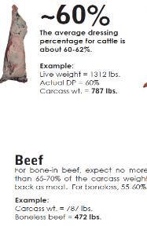
Pricing Meat for Direct-to-Consumer Sales
 |  |  | make entries in the blue fields only
Calculating Breakeven and Pricing for Profit

Value of live animal / lb of live weight |  | $2.00 | 1200 | live wt

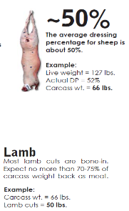
Estimated / Actual Carcass Yield Percent |  | 60.00% | 720 | carc wt
(see estimated carcass yield percentages for each species in the table below)
(actual percent would be carcass wt @ locker divided by delivered live wt)

 | Hanging Carcass Break Even per Pound = |  | $3.33
 | ( this would be the price you would charge for the carcass and no processinc fees involved)
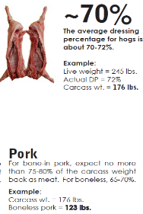
Additional delivery and processing fees per Pound |  | $2.50

 | Hanging Carcass Break Even w/ processing / carcass lb. = |  | $5.83
 | ( this would be the price you would charge for the carcass including processing fees)

Will your cuts be boneless or bone-in - enter the % here |  | 70.00%
( see average bone-in & bone-out yields for each species in the table below)

 | Break Even Price per Pound = |  | $8.33

What % Profit Margin do you wish to make? |  | 20.00%

 | Final Price / lb to Charge for Processed Carcass to Consumer |  |  | $41.67

